Sheet1
Nama: Ferdy

 |  | Gambar 1 |  |  |  | dataset (normal) |  |  |  |  |  | dataset (glasses) | dataset (masker)

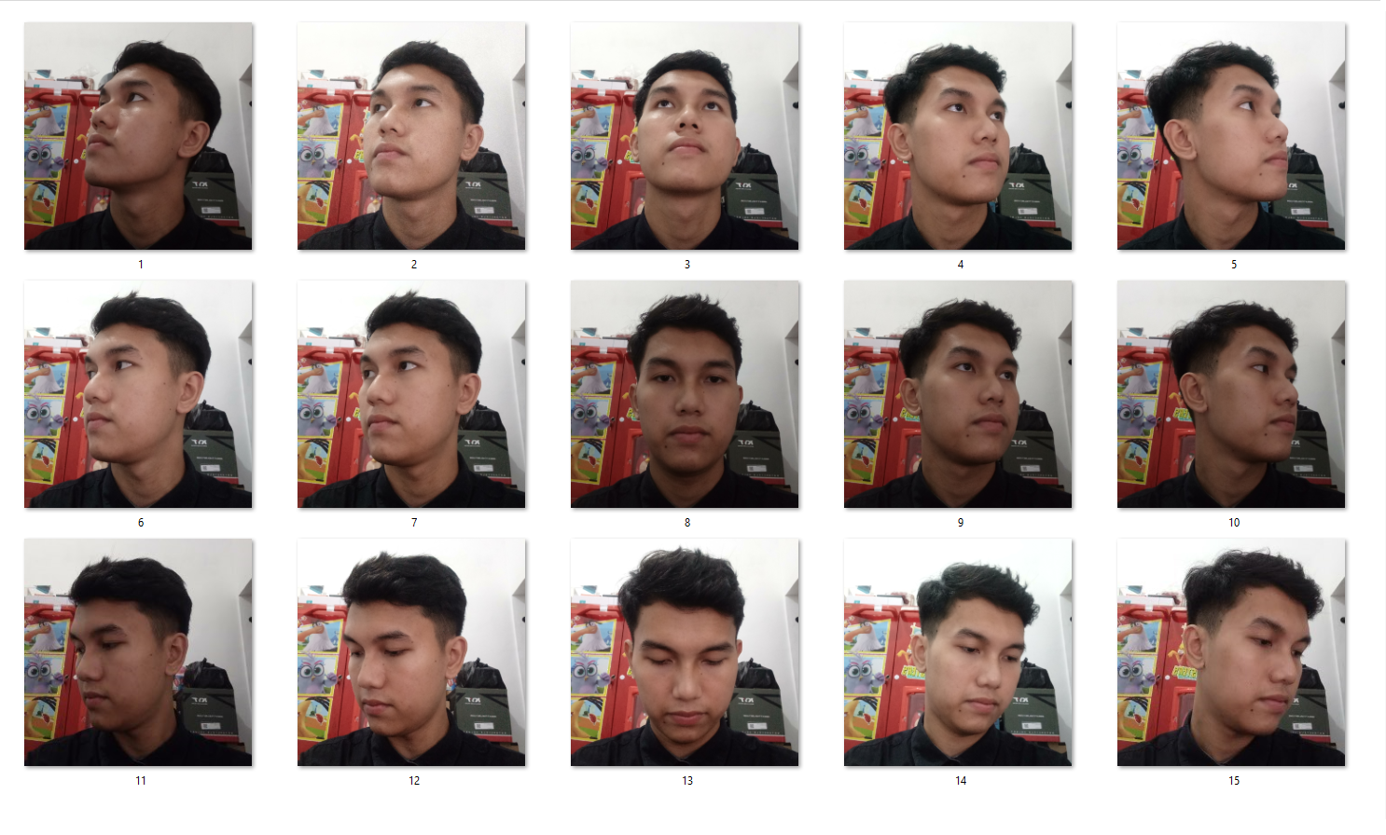
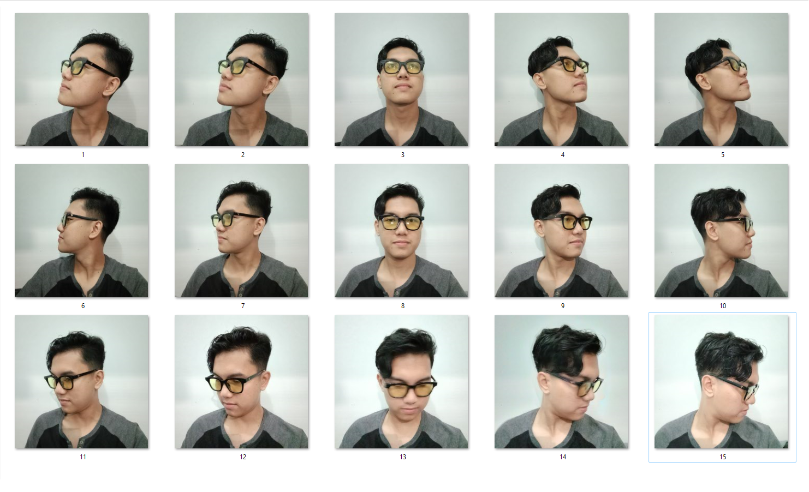

 | NORMAL
 |  | ArcFace | MTCNN |  |  |  |  | RETINA FACE
 |  |  | verified | distance | threshold | time |  | verified | distance | threshold | time
 |  |  | TRUE | 0.55453418214 | 0.68 | 6.7645554543 |  | TRUE | 0.41347264215 | 0.68 | 7.4927301407
 |  |  | TRUE | 0.54436739124 | 0.68 | 2.6420722008 |  | TRUE | 0.32658724281 | 0.68 | 2.5464317799
 |  |  | TRUE | 0.5388505148 | 0.68 | 2.5153508186 |  | TRUE | 0.59982556513 | 0.68 | 2.5416498184
 |  |  | FALSE | 0.84527421137 | 0.68 | 2.519245863 |  | FALSE | 0.685954442 | 0.68 | 2.5324044228
 |  |  | FALSE | 0.79906302662 | 0.68 | 2.5289981365 |  | FALSE | 0.80528711048 | 0.68 | 2.5385847092
 |  |  | TRUE | 0.44443746122 | 0.68 | 2.5185272694 |  | TRUE | 0.38425790413 | 0.68 | 2.5311415195
 |  |  | TRUE | 0.36918309001 | 0.68 | 2.5216782093 |  | TRUE | 0.3661486247 | 0.68 | 2.5829563141
 |  |  | TRUE | 0.41846967241 | 0.68 | 2.6224732399 |  | TRUE | 0.41347351286 | 0.68 | 2.5926911831
 |  |  | FALSE | 0.77748437265 | 0.68 | 2.5615303516 |  | TRUE | 0.66040471158 | 0.68 | 2.589006424
 |  |  | FALSE | 0.86340365122 | 0.68 | 2.5929820538 |  | FALSE | 0.83090629936 | 0.68 | 2.5626730919
 |  |  | TRUE | 0.39518832319 | 0.68 | 2.5947327614 |  | TRUE | 0.35706634184 | 0.68 | 2.5922281742
 |  |  | TRUE | 0.34820864155 | 0.68 | 2.6396539211 |  | TRUE | 0.35844613463 | 0.68 | 2.5658185482
 |  |  | TRUE | 0.46811749753 | 0.68 | 2.5398414135 |  | TRUE | 0.46895886312 | 0.68 | 2.6277742386
 |  |  | TRUE | 0.43480318358 | 0.68 | 2.4567675591 |  | TRUE | 0.47777961961 | 0.68 | 2.7066574097
 |  |  | FALSE | 0.76669060144 | 0.68 | 2.54281497 |  | FALSE | 0.72445076948 | 0.68 | 2.5860517025

 | GLASSES
 |  | ArcFace | MTCNN |  |  |  |  | RETINA FACE
 |  |  | verified | distance | threshold | time |  | verified | distance | threshold | time
 |  |  | TRUE | 0.67960049928 | 0.68 | 7.4838969707 |  | FALSE | 0.82166605172 | 0.68 | 12.948491335
 |  |  | TRUE | 0.5903491768 | 0.68 | 1.9071567059 |  | TRUE | 0.62351591852 | 0.68 | 4.1110198498
 |  |  | TRUE | 0.60362808245 | 0.68 | 2.0380470753 |  | FALSE | 0.70020583905 | 0.68 | 4.1224911213
 |  |  | TRUE | 0.60970478826 | 0.68 | 1.9431974888 |  | TRUE | 0.65023806065 | 0.68 | 5.7191040516
 |  |  | TRUE | 0.66154981069 | 0.68 | 1.9817345142 |  | FALSE | 0.71535300494 | 0.68 | 4.8108587265
 |  |  | TRUE | 0.47797310243 | 0.68 | 1.9515459538 |  | TRUE | 0.59759577059 | 0.68 | 4.6714160442
 |  |  | TRUE | 0.47436589988 | 0.68 | 2.0219724178 |  | TRUE | 0.50670888808 | 0.68 | 4.6705341339
 |  |  | TRUE | 0.43252372651 | 0.68 | 1.9409322739 |  | TRUE | 0.47342729774 | 0.68 | 4.6905882359
 |  |  | TRUE | 0.54277629874 | 0.68 | 1.9901001453 |  | TRUE | 0.65361862818 | 0.68 | 4.6987240314
 |  |  | FALSE | 0.68127584294 | 0.68 | 1.9189212322 |  | TRUE | 0.65846648962 | 0.68 | 4.7992532253
 |  |  | TRUE | 0.58516480164 | 0.68 | 1.9379634857 |  | TRUE | 0.65195923925 | 0.68 | 4.8099749088
 |  |  | TRUE | 0.45468075537 | 0.68 | 1.9003295898 |  | TRUE | 0.57716653999 | 0.68 | 4.7191944122
 |  |  | TRUE | 0.54436552634 | 0.68 | 2.0406498909 |  | TRUE | 0.55462805656 | 0.68 | 4.6394641399
 |  |  | TRUE | 0.55101455048 | 0.68 | 1.9569621086 |  | TRUE | 0.57960942214 | 0.68 | 4.6561841965
 |  |  | TRUE | 0.66078668334 | 0.68 | 1.9326958656 |  | TRUE | 0.6442040274 | 0.68 | 4.7174134254

 | MASKER
 |  | ArcFace | MTCNN |  |  |  |  | RETINA FACE
 |  |  | verified | distance | threshold | time |  | verified | distance | threshold | time
 |  |  | TRUE | 0.58434263191 | 0.68 | 7.6819603443 |  | TRUE | 0.56283918702 | 0.68 | 12.925822973
 |  |  | TRUE | 0.64528439674 | 0.68 | 1.8616423607 |  | TRUE | 0.58697352599 | 0.68 | 4.0909142494
 |  |  | TRUE | 0.59764062855 | 0.68 | 2.0669882298 |  | TRUE | 0.54078535698 | 0.68 | 4.0904767513
 |  |  | TRUE | 0.60298126386 | 0.68 | 1.9026665688 |  | TRUE | 0.56875669438 | 0.68 | 4.1876978874
 |  |  | FALSE | 0.83646469762 | 0.68 | 1.9293069839 |  | FALSE | 0.83397539913 | 0.68 | 4.1996307373
 |  |  | TRUE | 0.50729853697 | 0.68 | 1.950617075 |  | TRUE | 0.50470371509 | 0.68 | 4.1901464462
 |  |  | TRUE | 0.46744036686 | 0.68 | 1.8721339703 |  | TRUE | 0.445594269 | 0.68 | 4.2590477467
 |  |  | TRUE | 0.5400675615 | 0.68 | 1.863309145 |  | TRUE | 0.40457978556 | 0.68 | 4.2468311787
 |  |  | TRUE | 0.56998101646 | 0.68 | 1.9460077286 |  | TRUE | 0.52862675365 | 0.68 | 4.221817255
 |  |  | FALSE | 0.91143479774 | 0.68 | 1.9751720428 |  | FALSE | 0.77445709445 | 0.68 | 4.3991980553
 |  |  | FALSE | 0.69693000491 | 0.68 | 1.9044940472 |  | TRUE | 0.57968017639 | 0.68 | 4.2163527012
 |  |  | TRUE | 0.67978316538 | 0.68 | 1.9358351231 |  | TRUE | 0.54058993393 | 0.68 | 4.2492470741
 |  |  | TRUE | 0.65658166065 | 0.68 | 1.9305820465 |  | TRUE | 0.58956151178 | 0.68 | 4.1922309399
 |  |  | FALSE | 0.81821225002 | 0.68 | 2.0835673809 |  | FALSE | 0.68027738299 | 0.68 | 4.2093803883
 |  |  | FALSE | 0.8582775262 | 0.68 | 1.8993957043 |  | FALSE | 0.83233528098 | 0.68 | 4.2016017437

 |  | Kesimpulan Akurasi
 |  | Foto Normal
 |  |  | ArcFace | detector backend |  | akurasi |  | rata rata waktu
 |  |  |  | mtcnn | retina face | mtcnn | retina face
 |  |  |  | TRUE: 10, FALSE: 5 | TRUE: 11, FALSE: 4 | 66.666666667 | 73.333333333 | 2.8716674566

 |  | Glasses
 |  |  | ArcFace | detector backend |  | akurasi |  | rata rata waktu
 |  |  |  | mtcnn | retina face | mtcnn | retina face
 |  |  |  | TRUE: 14, FALSE: 1 | TRUE: 12, FALSE: 3 | 93.333333333 | 80 | 3.7910272519

 |  | Masker
 |  |  | ArcFace | detector backend |  | akurasi |  | rata rata waktu
 |  |  |  | mtcnn | retina face | mtcnn | retina face
 |  |  |  | TRUE: 10, FALSE: 5 | TRUE: 11, FALSE: 4 | 66.666666667 | 73.333333333 | 3.5561358293

 |  | RATA RATA |  |  |  | 75.555555556 | 75.555555556 | 3.4062768459

 |  | Kesimpulan Model
 |  |  | Model | Distance Terkecil | Distance Terbesar | Waktu Tercepat |  | Waktu Terlama | Rata Rata Distance | Akurasi
 |  |  | ArcFace | 0.32658724281 | 0.91143479774 | 1.8616423607 |  | 12.948491335 | 0.59272972175 | 75.555555556

